Indices

 | Iraq Stock Exchange
 | Bulletin No (234)

 | ISX Trading Indices of Tuesday 30/12/2025

 | Traded Volume and OTC |  | 2,571,018,046 |  | Traded Value and OTC |  | 2,756,318,346 |  | Traders | 657

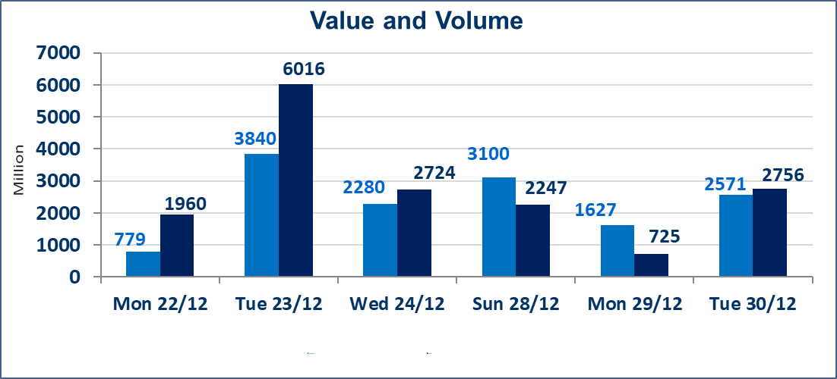
 | ISX Index 60 |  |  | 983.31 | ISX Index 15 |  |  | 1194.94
 | Previous ISX Index60 |  |  | 978.76 | Previous ISX Index15 |  |  | 1199.10
 | Change % |  |  | 0.46 | Change % |  |  | -0.35
 | Change |  |  | 4.55 | Change |  |  | -4.16

 | Listed Companies | 104 | OTC | 14 | Non Traded listed | 39 | OTC | 13
 | Traded Listed Companies | 50 | OTC | 0 | Higher Companies |  |  | 9
 | GAM Companies |  |  | 5 | Lower Companies |  |  | 17
 | Suspended Companies |  |  | 10 | GAM Companies |  |  | 1
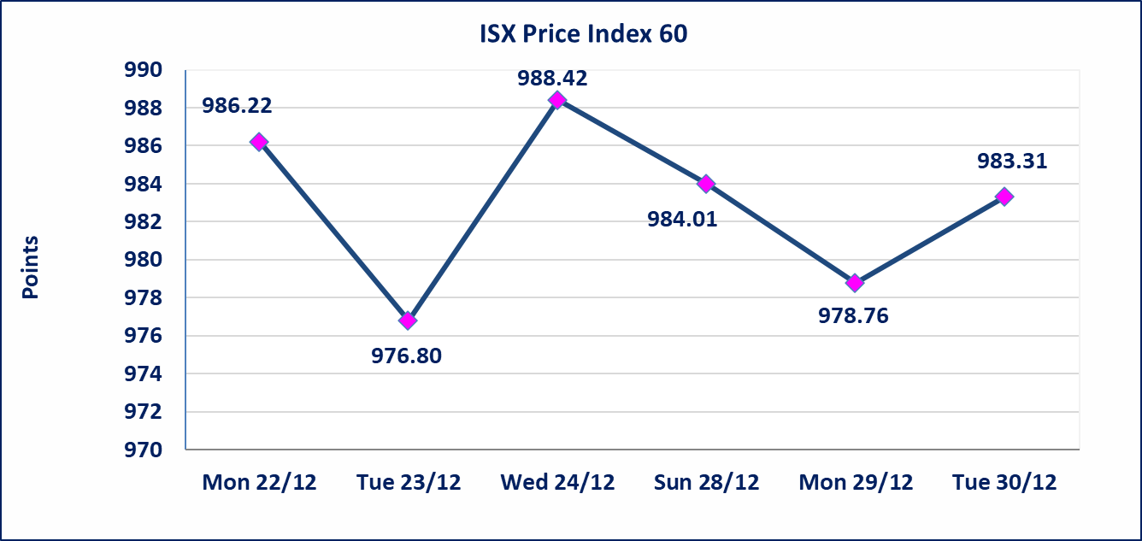
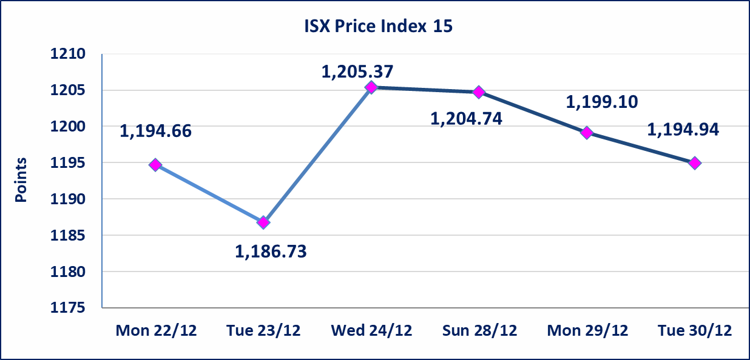

 | special orders | Free Economy Brokerage Company executed a deliberate cross order on the shares of Arab Islamic Bank of Mashreq Company with a number of (2) billion shares worth (1,700,000,000) dinars, during the additional session time (after 1 pm) in accordance with the procedures for executing large transactions.
Al-Alwiya P.O . 3607 Mobile: 07711211522 - 07270094594 - 07834000034 E-mail: info-isx@isx-iq.net Web site:www.isx-iq.net

Top 5
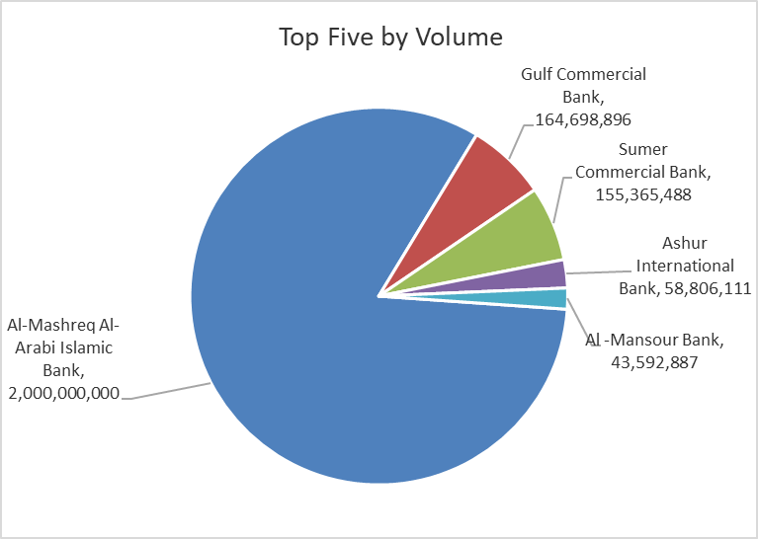
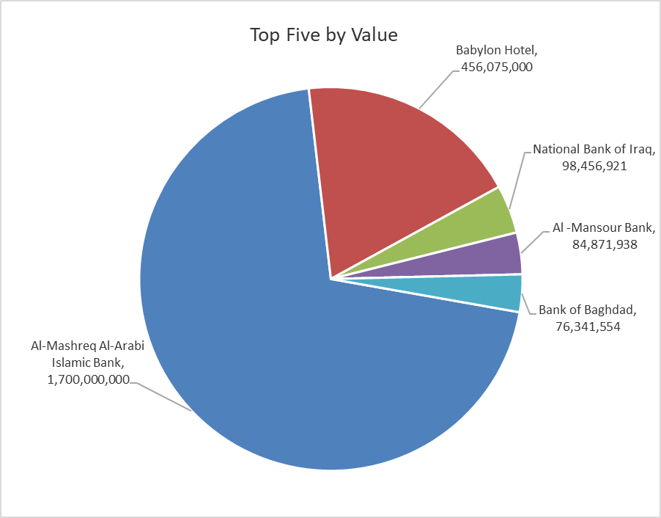
ISX top ganing and losing companies
Tuesday 30/12/2025
 | Gainers |  |  |  | Losers
 | Company Name | Closing Price | Change (%) | Traded Volume | Company Name | Closing Price | Change (%) | Traded Volume
 | Iraqi Islamic Bank | 1.110 | 14.43 | 28,000,000 | International Islamic Bank | 0.200 | -20.00 | 474,709
 | National Furniture Industries | 1.250 | 13.64 | 181,376 | Iraqi Carton Manufactories | 1.960 | -14.78 | 386,273
 | Modern Construction Materials | 0.920 | 3.37 | 110,781 | AL-Anssari Islamic Bank | 0.070 | -12.50 | 2,000,000
 | Kharkh Tour Amuzement City | 4.200 | 2.44 | 183,000 | Babil Animal & Vegetable Production | 9.000 | -10.00 | 643,966
 | Al -Khazer Construction Materials | 1.280 | 2.40 | 852,791 | Sumer Commercial Bank | 0.150 | -6.25 | 155,365,488
 | The most active companies in term of traded volume and value

 | Traded Volume |  |  |  | Traded Value
 | Company Name | Closing Price | Change (%) | Traded Volume | Company Name | Closing Price | Change (%) | Traded Value
 | Al-Mashreq Al-Arabi Islamic Bank | 0.850 | 0.00 | 2,000,000,000 | Al-Mashreq Al-Arabi Islamic Bank | 0.850 | 0.00 | 1,700,000,000
 | Gulf Commercial Bank | 0.290 | 0.00 | 164,698,896 | Babylon Hotel | 100.000 | -0.01 | 456,075,000
 | Sumer Commercial Bank | 0.150 | -6.25 | 155,365,488 | National Bank of Iraq | 4.770 | -0.62 | 98,456,921
 | Ashur International Bank | 0.300 | 0.00 | 58,806,111 | Al -Mansour Bank | 1.950 | 0.00 | 84,871,938
 | Al -Mansour Bank | 1.950 | 0.00 | 43,592,887 | Bank of Baghdad | 3.440 | -0.86 | 76,341,554

OTC

Iraq Stock Exchange

Tuesday 30/12/2025

Not Trading OTC Companies
Company Name | Code | Previous Average price
Banks Sector
Al-Warka Bank | BWAI | 0.080
Al-Sanam Islamic Bank | BSAN | 3.000
Hammurabi Commercial Bank | BHAM | ـــــــــــــــــــــــــــــــــــ
Industrial Sector
Kirkuk producing constructional materials | IKFP | 3.350
Money Service Sector
Rabee Securities | FRSE | 9.500
Karmal Brokerage | FKSX | 10.000
Ishtar Gate for e-Paymant | FISH | 1.000
Sama Baghdad Exchange | FSBE | ـــــــــــــــــــــــــــــــــــ
Iraqi Deposit Insurance Corporation | FIDI | ـــــــــــــــــــــــــــــــــــ
Insurance Sector
Elaf Insurance | NELF | ـــــــــــــــــــــــــــــــــــ
Kurdistan Insurance | NKUI | ـــــــــــــــــــــــــــــــــــ
Al Badia Insurance | NBAD | ـــــــــــــــــــــــــــــــــــ
Dilina Insurance Company | NDIL | ـــــــــــــــــــــــــــــــــــ

Non Iraqis

Iraq Stock Exchange
Non Iraqis' Bulletin TUESDAY December 30 2025
Regular Market

Non Iraqi Trading of Regular Market (Buy)
Company Names | Code | No.of trades | Traded Shares | Trading Volume
Banks Sector
Al-Mansour Bank | BMNS | 8 | 25,000,000 | 48,750,000
Total Bank sector |  | 8 | 25,000,000 | 48,750,000
Services Sector
Al-Mosul for Funfairs | SMOF | 1 | 5,000 | 37,500
Total Services sector |  | 1 | 5,000 | 37,500
Grand Total |  | 9 | 25,005,000 | 48,787,500

Non Iraqi Trading of Second Market (Sell)
Company Names | Code | No.of trades | Traded Shares | Trading Volume
Banks Sector
International Islamic Bank | BINT | 5 | 474,709 | 112,362
Total Bank sector |  | 5 | 474,709 | 112,362
Grand Total |  | 5 | 474,709 | 112,362

